Cu_all raw SimaPro Demo
 |  |  |  |  |  |  |  |  |  |  |  |  |  |  |  |  | ABFALLBEHANDLUNG
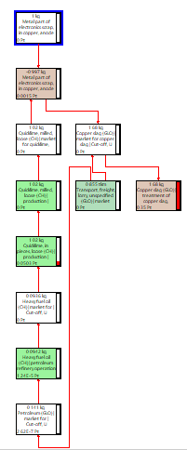
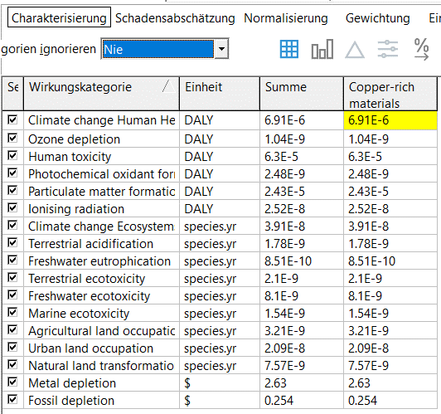
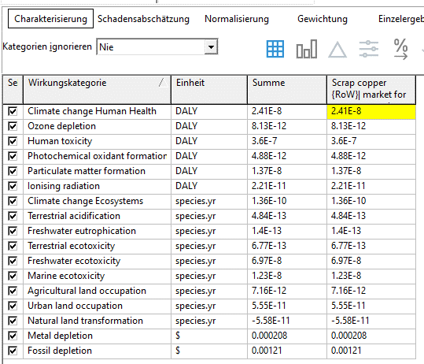
 |  |  |  |  |  |  |  |  |  |  |  |  | 2
 |  |  |  |  |  |  |  | 3 |  |  | 1 |  | Copper, cathode {GLO}| copper production, cathode, solvent extraction and electrowinning process | Cut-off, S |  |  |  | 4 | 5 |  |  | 6
 |  |  |  |  |  |  |  | Kupfer als Anode |  |  | Kupfer als Kathode |  |  |  |  |  | Copper rich material | Kupfer Schrott |  | Cu Shredder, gepresst, 1 kg | Cu aus electronic waste, 1 kg
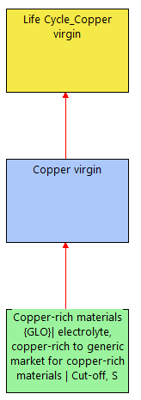
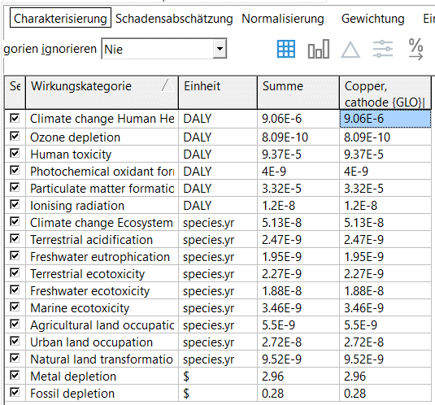
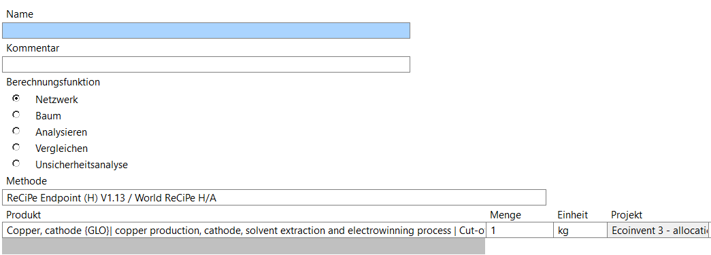
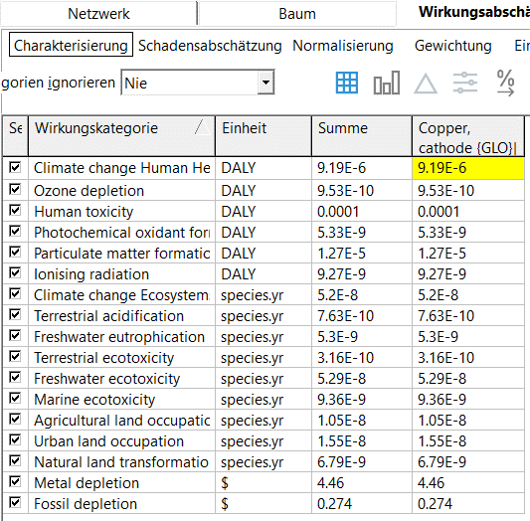
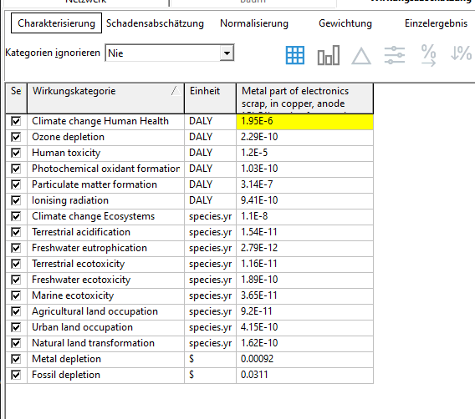
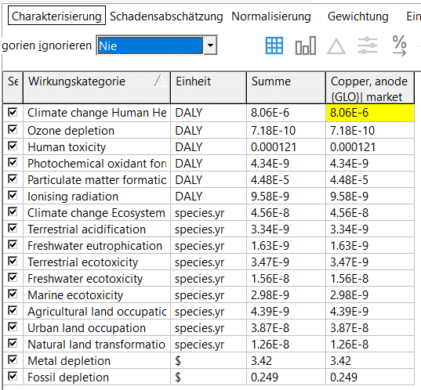
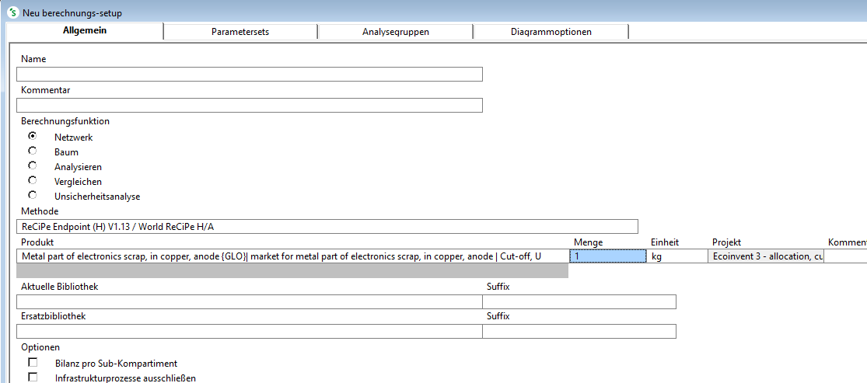

 |  |  |  | In der DEMO Variante sind leider keine Ökobilanzdaten für Kupfer aus Erz (virgin) erhältlich!

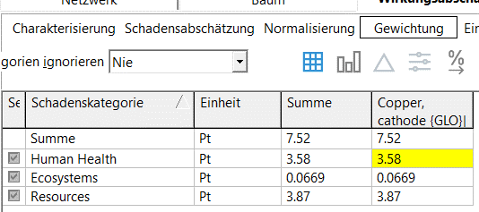
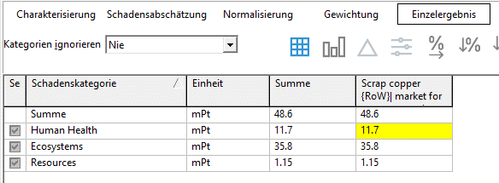
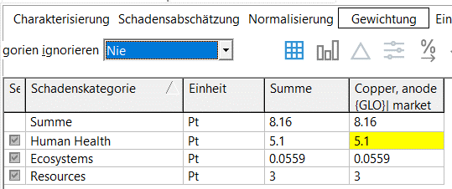
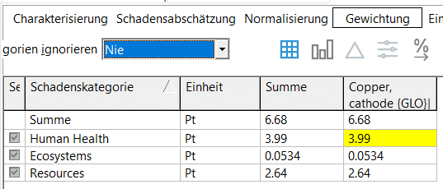
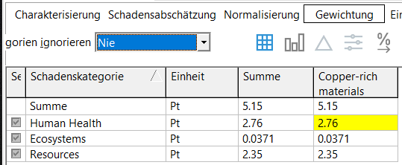
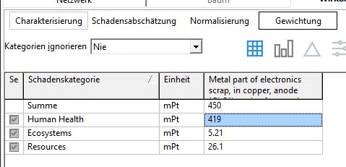

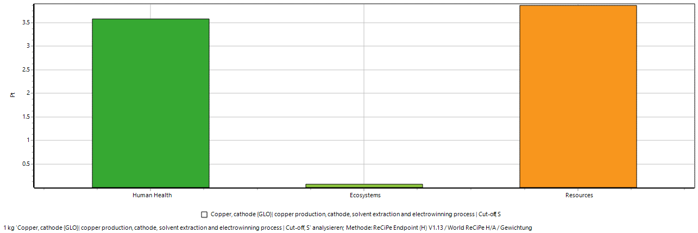
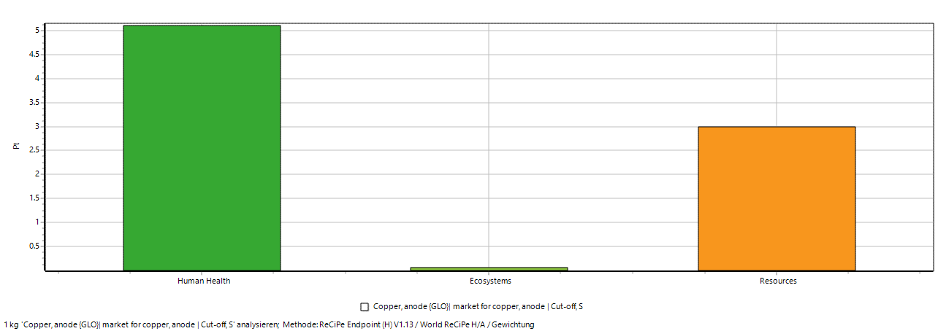
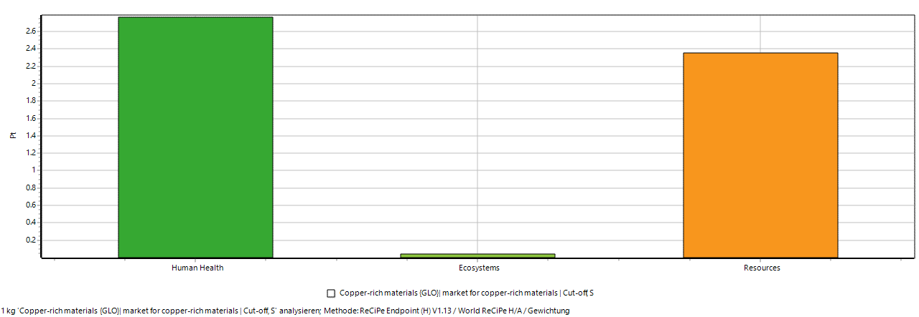
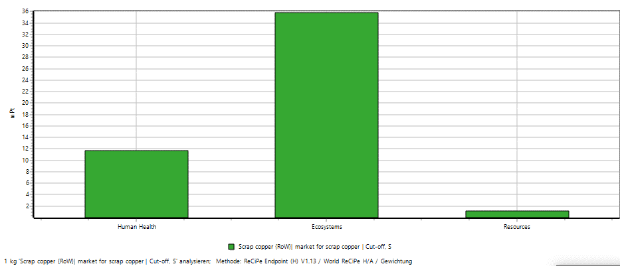
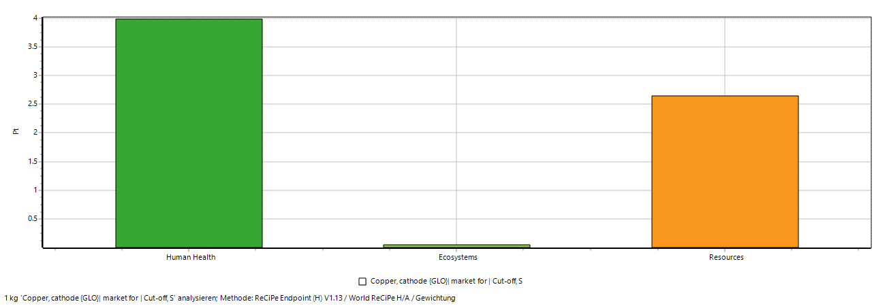
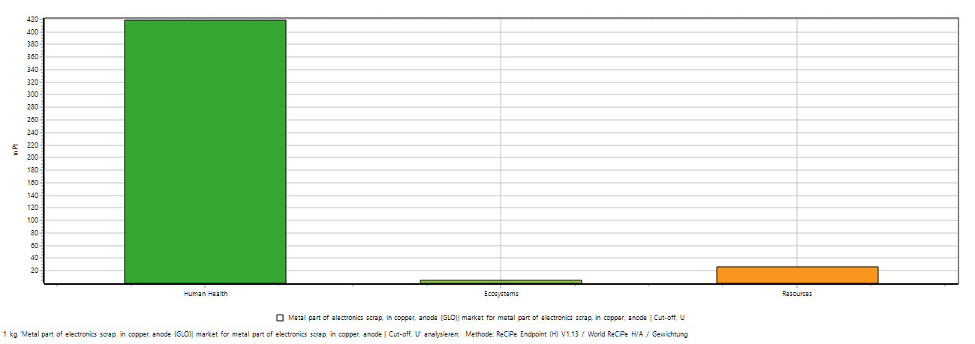
 |  |  |  |  |  |  |  | Pt |  |  | Pt |  |  | Pt |  |  | Pt |  | mPt
 |  |  |  |  |  |  |  | 5.1 |  |  | 3.99 |  |  | 3.58 |  |  | 2.76 |  | 11.7
 |  |  |  |  |  |  |  | 0.0599 |  |  | 0.0534 |  |  | 0.0669 |  |  | 0.0371 |  | 35.8
 |  |  |  |  |  |  |  | 3 |  |  | 2.64 |  |  | 3.87 |  |  | 2.35 |  | 1.15
 |  |  |  |  |  |  |  | 8.16 |  |  | 6.68 |  |  | 7.52 |  |  | 5.15 |  | 48.6

RESULTS
DETAIL 5 + 6
Eco Balance for Copper Recycling, 1 kg: (4) Cu rich material; (5) Cu-Scrap; (6) Cu from E-Scrap Daten erhoben mit SimaPro5; Methode Eco-indicator 99 Data collected with SimaPro5; Method Eco-indicator 99
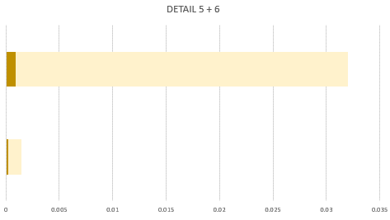
 | Schadenskategorie Impact Categories | COPPER RAW Data for 1 kg Material |  |  |  |  |  |  |  | Copper, 1 kg |  |  |  | Copper, 1 kg
 |  | 1 | 2 | 3 | 4 | 5 | 6 |  | Schadenskategorie Impact Categories | 4 | 5 | 6 | Schadenskategorie Impact Categories | 4 | 5 | 6
 |  | Cu cathode | Cu, cathode , solvent extraction / electrowinning | Cu anode | Cu rich material | Cu Scrap | Cu electronic scrap, anode |  |  | 100% recycled |  |  |  | 100% recycled
6
 | in mPt | 3240 | 4734 | 3669 | 2884 | 0.0014 | 0.0320 |  |  | Cu rich material | Cu Scrap | Cu electronic scrap, anode |  | Cu rich material | Cu Scrap | Cu electronic scrap, anode
 | Carcinogens/Toxicity | 0.0000937 | 0.0001 | 0.000121 | 0.000063 | 0.00000036 | 0.000012 |  |  | mPt |  |  |  | 4 | 5 | 6
 | Resp. Organics/Inorganic | 0.00000906 | 0.00000919 | 0.00000806 | 0.00000691 | 2.41E-08 | 0.00000195 |  | Carcinogens | 0.000063 | 0.00000036 | 0.000012 | Carcinogens | 0.000063 | 0.00000036 | 0.000012
 | Climate Change | 5.13E-08 | 0.000000052 | 4.56E-08 | 3.91E-08 | 1.36E-10 | 0.000000011 |  | Resp. Organics | 0.00000691 | 2.41E-08 | 0.00000195 | Resp. Organics | 0.00000691 | 2.41E-08 | 0.00000195
 | Radiation | 0.000000012 | 9.27E-09 | 9.58E-09 | 2.58E-08 | 4.88E-12 | 9.41E-10 |  | Climate Change | 3.91E-08 | 1.36E-10 | 0.000000011 | Climate Change | 3.91E-08 | 1.36E-10 | 0.000000011
 | Ozone Layer | 0.000000004 | 5.33E-09 | 4.34E-09 | 2.48E-09 | 8.13E-12 | 1.03E-10 |  | Radiation | 2.58E-08 | 4.88E-12 | 9.41E-10 | Radiation | 2.58E-08 | 4.88E-12 | 9.41E-10
5
 |  | 8.09E-10 | 9.53E-10 | 7.18E-10 | 1.04E-09 | 1.04E-09 | 2.29E-10 |  | Ozone Layer | 2.872E-08 | 1.475E-08 | 3.143E-07 | Ozone Layer | 2.872E-08 | 1.475E-08 | 3.143E-07
 |  | 0.0000332 | 0.0000127 | 0.0000448 | 2.52E-08 | 1.37E-08 | 0.000000314 |  | Ecotoxicity | 1.285E-08 | 0.000000082 | 6.7E-11 | Ecotoxicity | 1.285E-08 | 0.000000082 | 6.7E-11
 | Ecotoxicity | 1.88E-09 | 5.3E-09 | 1.56E-09 | 8.1E-09 | 6.97E-08 | 1.89E-11 |  | Acid./Eutroph. | 2.278E-09 | 6.24E-13 | 1.82E-11 | Acid./Eutroph. | 2.278E-09 | 6.24E-13 | 1.82E-11
 |  | 3.46E-09 | 9.36E-09 | 2.98E-09 | 1.54E-09 | 1.23E-08 | 3.65E-11 |  | Land Use | 3.168E-08 | 6.86E-12 | 6.69E-10 | Land Use | 3.168E-08 | 6.86E-12 | 6.69E-10
in mPt
 |  | 2.27E-09 | 3.16E-10 | 3.47E-09 | 3.21E-09 | 6.77E-13 | 1.16E-11 |  | Minerals | 2.63 | 0.000208 | 0.00092 | Minerals | 2.63 | 0.000208 | 0.00092
 | Acidification | 2.47E-09 | 7.63E-10 | 3.34E-09 | 1.78E-10 | 4.84E-13 | 1.54E-11 |  | Fossile Fuels | 0.254 | 0.00121 | 0.0311 | Fossile Fuels | 0.254 | 0.00121 | 0.0311
4
 | Eutrophication | 1.95E-09 | 5.3E-09 | 1.63E-09 | 2.1E-09 | 1.4E-13 | 2.79E-12 |  | Sum [mPt] | 2884 | 0.0014 | 0.0320 | Sum [mPt] | 2884 | 0.0014 | 0.0320
 | Land Use | 5.5E-09 | 1.05E-08 | 4.39E-09 | 3.21E-09 | 7.16E-12 | 9.2E-11
 |  | 2.72E-08 | 1.55E-08 | 3.87E-08 | 2.09E-08 | 5.55E-11 | 4.15E-10
 |  | 9.52E-09 | 6.79E-09 | 1.28E-08 | 7.57E-09 | -5.58E-11 | 1.62E-10
 | Metal depletion | 2.96 | 4.46 | 3.42 | 2.63 | 0.000208 | 0.00092
in Pt
 | Fossile Fuels | 0.28 | 0.274 | 0.249 | 0.254 | 0.00121 | 0.0311

 | Cu 1 kg | 1 | 2 | 3 | 4 | 5 | 6
 |  | 1 kg Copper kathode | Copper, cathode {GLO}| copper production, cathode, solvent extraction and electrowinning process | Cut-off, S | 1 kg Copper anode | 1 kg Copper rich material | Kupfer Schrott | Cu aus electronic scrap, anode, 1 kg
 |  | Pt | Pt | Pt | Pt | mPt | mPt |  |  |  | o | Die Daten wurden mit SimaPro5 in der DEMO Version 9.4.0 erhoben.
 | Human Health | 3.99 | 3.58 | 5.1 | 2.76 | 11.7 | 419 |  |  |  |  | Je höher der Anteil der Wertstoffrückgewinnung ist, desto besser wird die Ökobilanz.
 | Ecosystem Quality | 0.0534 | 0.0669 | 0.0599 | 0.0371 | 35.8 | 5.21 |  |  |  | o | The data were collected with SimaPro5 in DEMO version 9.4.0.
 | Ressources | 2.64 | 3.87 | 3 | 2.35 | 1.15 | 26.1 |  |  |  |  | The higher the proportion of recyclables recovered, the better the life cycle assessment.
Eco Balance and cumulated Endpoints for 0,1 kg Copper, from Cake or recycled Data collected with SimaPro5, Method Eco Indicator 99
 | Summe mPt | 6.68 | 7.52 | 8.16 | 5.15 | 48.6 | 450
in mPt

 | Cu 0.1 kg | 1 | 2 | 3 | 4 | 5 | 6
 |  | 0.1 kg Copper kathode | Copper, cathode {GLO}| copper production, cathode, solvent extraction and electrowinning process | Cut-off, S | 0.1 kg Copper anode | 0.1 kg Copper rich material | Kupfer Schrott | Cu aus electronic scrap, anode, 0.1 kg
 |  | Pt | Pt | Pt | Pt | mPt | mPt
 | Human Health | 0.399 | 0.358 | 0.51 | 0.276 | 1.17 | 41.9
Detail No. 5+6
 | Ecosystem Quality | 0.00534 | 0.00669 | 0.00599 | 0.00371 | 3.58 | 0.521
 | Ressources | 0.264 | 0.387 | 0.3 | 0.235 | 0.115 | 2.61
 | Summe mPt | 0.668 | 0.752 | 0.816 | 0.515 | 4.86 | 45

 | Cu 0.1 kg | 1 | 2 | 3 | 4 | 5 | 6
 |  | Copper kathode | Copper, solvent extraction and electrowinning process, cathode | Copper anode | Copper rich material | Copper scrap | Copper from electronic scrap, anode
 |  | mPt | mPt | mPt | mPt | mPt | mPt
 | Human Health | 399 | 358 | 510 | 276 | 1.17 | 41.9
 | Ecosystem Quality | 5.34 | 6.69 | 5.99 | 3.71 | 3.58 | 0.521
 | Ressources | 264 | 387 | 300 | 235 | 0.115 | 2.61
 | Summe mPt | 668 | 752 | 816 | 515 | 4.86 | 45

1
3
4
5
6
2
 | Cu 0.1 kg | 5 | 6
 |  | Copper scrap | Copper from electronic scrap, anode
 |  | mPt | mPt
 | Human Health | 1.17 | 41.9
 | Ecosystem Quality | 3.58 | 0.521
 | Ressources | 0.115 | 2.61
 | Summe mPt | 4.86 | 45

